Downloadable Sheet.1
Farmland Preservation
Purchase of Development Rights Program

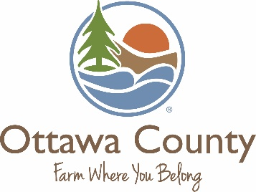
What is your agricultural easement worth?
Please use this calculator to estimate:
1) The fair market value (FMV) of your development rights.
2) How much you could get paid for your development rights.
3) How much of your donated portion you may be able to deduct on your income tax return.
The estimations provided here are calculated using the current average FMV for agricultural land that Ottawa County has preserved
to date, which is $3,300 per acre. The actual value of your development rights can only be determined by professional appraisal. This
calculator is for estimating purposes ONLY and is not intended to be construed as professional advice. The decision whether or not to
sell your development rights should be made based on the professional advice of your attorney and/or accountant.

 | To get started, please enter the following information in the appropriate boxes:
 | (hover over the cells with red triangles in the upper right corner for more detail about that cell)
 |  | Enter how many acres you wish to preserve: | 0.00

 |  | Enter what you feel is a good estimate of the per acre FMV of this land today: | $3,700.00

 |  | Enter the percentage of FMV you plan to donate: | 25.0%

 | This is a rough estimate of the value of your development rights: |  | $0.00

 | This is how much you could be paid for your development rights: |  | $0.00

 | This is the amount you may be able to deduct on your income tax return: |  | $0.00

Please note that some or all of the proceeds from the sale of your development rights could be subject to capital gains tax.
Always consult your tax professional and/or attorney for advice regarding the sale of your development rights.

www.miottawa.org/farmland | 616-738-4852

